Sheet1
 | EXAMPLE
 | RISK AND MITIGATION PLAN
 | SYSTEMS DEVELOPMENT AND DESIGN

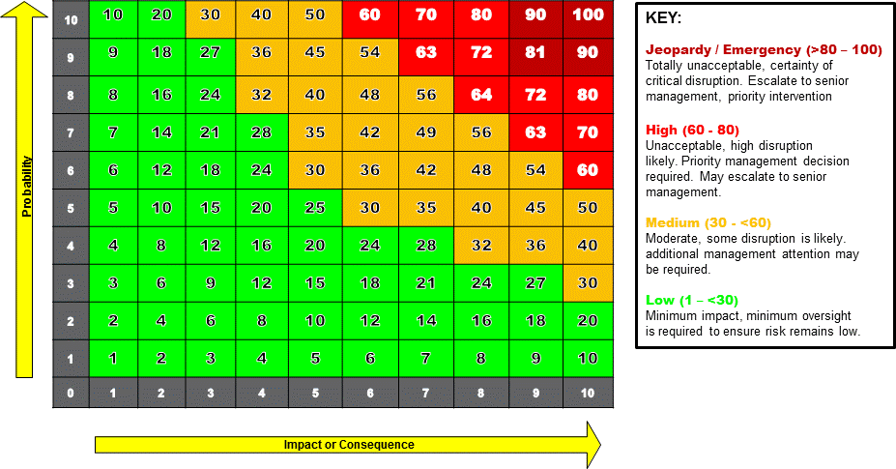
 |  |  |  |  |  |  | Rating Scale | Impact Rating
 |  |  |  |  |  |  | 1 | No Impact
 |  |  |  |  |  |  | 2
 |  |  |  |  |  |  | 3 | Some Impact
 |  |  |  |  |  |  | 4
 |  |  |  |  |  |  | 5 | Material Impact
 |  |  |  |  |  |  | 6 | Severe
 |  |  |  |  |  |  | 7
 |  |  |  |  |  |  | 8
 |  |  |  |  |  |  | 9 | Business Failure
 |  |  |  |  |  |  | 10

 |  |  |  |  |  |  | Status Key
 |  |  |  |  |  |  | Totally Unacceptable | Jeopardy
 |  |  |  |  |  |  | Unacceptable | High
 |  |  |  |  |  |  | Reasonably Acceptable | Medium
 |  |  |  |  |  |  | Acceptable | Low

 |  |  |  |  |  |  | The Project | Date
 |  |  |  |  |  |  | Development of an Internal Instant Messaging APP

 |  |  |  |  |  |  | FEASIBILITY and RISK ANALYSIS
 |  |  |  |  |  |  | Technical Feasibility: Can We Build It?

Area of Concern | Risk # | Risk Description | Probability | Impact | Rating | Risk Category
Technical Feasibility: Can We Build It? | 1 | Description of familiarity with Functional area | 7 | 8 | 56% | Medium
 | 2 | Description of familiarity with Technology | 3 | 6 | 18% | Low
 | 3 | Description of Project Size | 8 | 9 | 72% | High
 | 4 | Description of Compatibility | 4 | 7 | 28% | Low
Economic Feasibility: Should We Build It? | 1 | Description of Tangible Costs and Benefits | 6 | 9 | 54% | Medium
 | 2 | Description of Intagible Costs and Benefits | 7 | 8 | 56% | Medium
Organisational Feasibility: If We Build It Will They Come? | 1 | Description of Strategic Alignment | 4 | 7 | 28% | Low
 | 2 | Description of User Acceptance | 6 | 7 | 42% | Medium

